Sheet1
Questions on Percentile and Quartiles

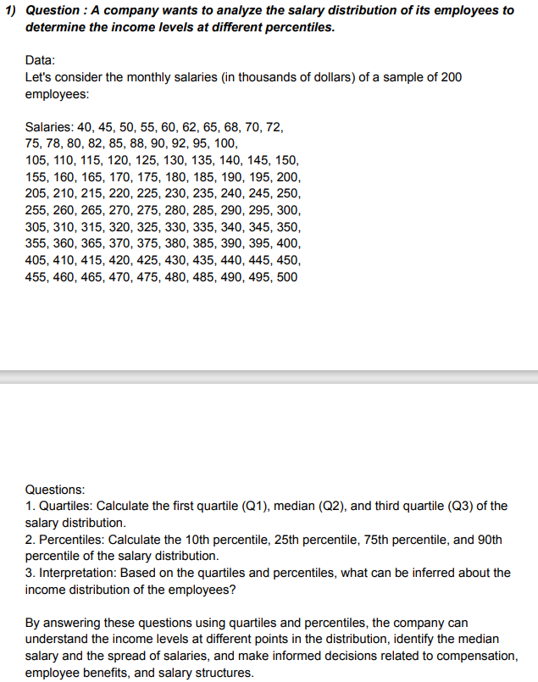
 | Salaries | Quartiles
 | 40
 | 45 | Q1 | 127.5
 | 50 | Q2 | 252.5
 | 55 | Q3 | 377.5
 | 60
 | 62
 | 65
 | 68 | Percentiles
 | 70
 | 72 | P10 | 72.3
 | 75 | P25 | 126.25
 | 78 | P75 | 378.75
 | 80 | P90 | 454.5
 | 82
 | 85
 | 88 | Interpretation
 | 90
 | 92 | Based on the quartiles 25% employees salary under 127 , 50% employees salary around 252 and maximum 75% employees salary 377 and more.
 | 95
 | 100 | Based on the percentiles 10% employees salary under 72, 25% employees salary around 126 ,75% employees salary around 378 and 90% employees salary 454 and above.
 | 105
 | 110
 | 115
 | 120
 | 125
 | 130
 | 135
 | 140
 | 145
 | 150
 | 155
 | 160
 | 165
 | 170
 | 175
 | 180
 | 185
 | 190
 | 195
 | 200
 | 205
 | 210
 | 215
 | 220
 | 225
 | 230
 | 235
 | 240
 | 245
 | 250
 | 255
 | 260
 | 265
 | 270
 | 275
 | 280
 | 285
 | 290
 | 295
 | 300
 | 305
 | 310
 | 315
 | 320
 | 325
 | 330
 | 335
 | 340
 | 345
 | 350
 | 355
 | 360
 | 365
 | 370
 | 375
 | 380
 | 385
 | 390
 | 395
 | 400
 | 405
 | 410
 | 415
 | 420
 | 425
 | 430
 | 435
 | 440
 | 445
 | 450
 | 455
 | 460
 | 465
 | 470
 | 475
 | 480
 | 485
 | 490
 | 495
 | 500

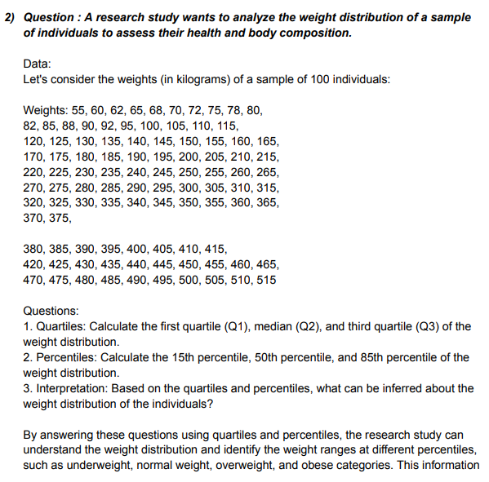
 | Weights | Quartiles
 | 55
 | 60 | Q1 | 142.5
 | 62 | Q2 | 267.5
 | 65 | Q3 | 392.5
 | 68
 | 70
 | 72 | Percentiles
 | 75
 | 78 | P15 | 92.45
 | 80 | P50 | 267.5
 | 82 | P85 | 444.25
 | 85
 | 88 | Interpretation
 | 90
 | 92 | Based on the quartiles less then 25% weight below 142.5 kg, 50% weight around 267.5 kg and 75% weight above 392.5kg .
 | 95
 | 100 | Based on the percentiles less then 15% weight below 92.45kg, 50% weight around 267.5 kg and 85% weight above 444.25kg
 | 105
 | 110
 | 115
 | 120
 | 125
 | 130
 | 135
 | 140
 | 145
 | 150
 | 155
 | 160
 | 165
 | 170
 | 175
 | 180
 | 185
 | 190
 | 195
 | 200
 | 205
 | 210
 | 215
 | 220
 | 225
 | 230
 | 235
 | 240
 | 245
 | 250
 | 255
 | 260
 | 265
 | 270
 | 275
 | 280
 | 285
 | 290
 | 295
 | 300
 | 305
 | 310
 | 315
 | 320
 | 325
 | 330
 | 335
 | 340
 | 345
 | 350
 | 355
 | 360
 | 365
 | 370
 | 375
 | 380
 | 385
 | 390
 | 395
 | 400
 | 405
 | 410
 | 415
 | 420
 | 425
 | 430
 | 435
 | 440
 | 445
 | 450
 | 455
 | 460
 | 465
 | 470
 | 475
 | 480
 | 485
 | 490
 | 495
 | 500
 | 505
 | 510
 | 515

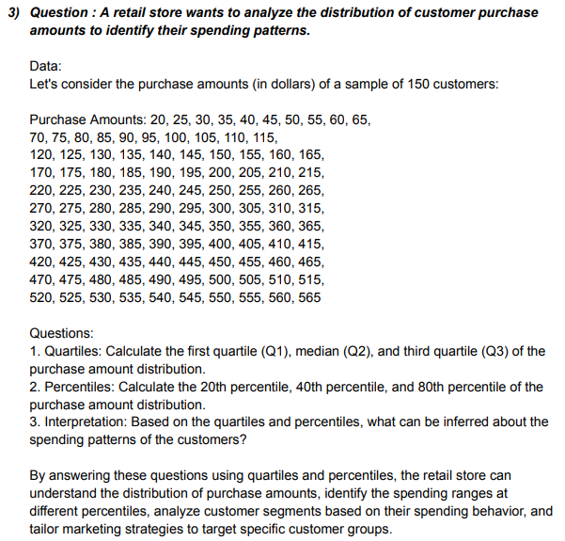
 | Amount
 | 20 | Quartiles
 | 25
 | 30 | Q1 | 152.5
 | 35 | Q2 | 292.5
 | 40 | Q3 | 432.5
 | 45
 | 50
 | 55 | Percentiles
 | 60
 | 65 | P15 | 98.25
 | 70 | P50 | 292.5
 | 75 | P85 | 486.75
 | 80
 | 85 | Interpretation
 | 90
 | 95 | Based on the quartiles less then 25% purchase amount 152.5 $, 50% purchase amount around 292.5 $ and 75% purchase amount above 432.5 $ .
 | 100
 | 105 | Based on the percentiles less then 15% purchase amount 98.25 $, 50% purchase amount 292.5 $ and 85% purchase amount above 486.75 $.
 | 110
 | 115
 | 120
 | 125
 | 130
 | 135
 | 140
 | 145
 | 150
 | 155
 | 160
 | 165
 | 170
 | 175
 | 180
 | 185
 | 190
 | 195
 | 200
 | 205
 | 210
 | 215
 | 220
 | 225
 | 230
 | 235
 | 240
 | 245
 | 250
 | 255
 | 260
 | 265
 | 270
 | 275
 | 280
 | 285
 | 290
 | 295
 | 300
 | 305
 | 310
 | 315
 | 320
 | 325
 | 330
 | 335
 | 340
 | 345
 | 350
 | 355
 | 360
 | 365
 | 370
 | 375
 | 380
 | 385
 | 390
 | 395
 | 400
 | 405
 | 410
 | 415
 | 420
 | 425
 | 430
 | 435
 | 440
 | 445
 | 450
 | 455
 | 460
 | 465
 | 470
 | 475
 | 480
 | 485
 | 490
 | 495
 | 500
 | 505
 | 510
 | 515
 | 520
 | 525
 | 530
 | 535
 | 540
 | 545
 | 550
 | 555
 | 560
 | 565

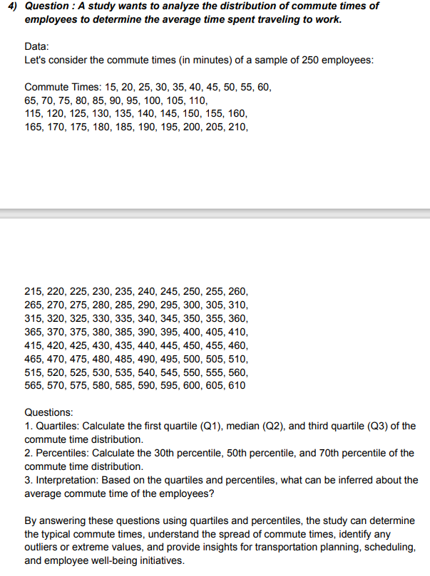
 | Time
 | 15 | Quartiles
 | 20
 | 25 | Q1 | 162.5
 | 30 | Q2 | 312.5
 | 35 | Q3 | 462.5
 | 40
 | 45
 | 50 | Percentiles
 | 55
 | 60 | P15 | 100.75
 | 65 | P50 | 312.5
 | 70 | P85 | 524.25
 | 75
 | 80 | Interpretation
 | 85
 | 90 | Based on the quartiles less then 25% commute time 165.5 minutes, 50% commute time around 312.5 minutes and 75% commute time above 462.5 minutes .
 | 95
 | 100 | Based on the percentiles less then 15% commute time 100.75 minutes, 50% commute time around 312.5 minutes and 85% commute time above 524.25 minutes .
 | 105
 | 110
 | 115
 | 120
 | 125
 | 130
 | 135
 | 140
 | 145
 | 150
 | 155
 | 160
 | 165
 | 170
 | 175
 | 180
 | 185
 | 190
 | 195
 | 200
 | 205
 | 210
 | 215
 | 220
 | 225
 | 230
 | 235
 | 240
 | 245
 | 250
 | 255
 | 260
 | 265
 | 270
 | 275
 | 280
 | 285
 | 290
 | 295
 | 300
 | 305
 | 310
 | 315
 | 320
 | 325
 | 330
 | 335
 | 340
 | 345
 | 350
 | 355
 | 360
 | 365
 | 370
 | 375
 | 380
 | 385
 | 390
 | 395
 | 400
 | 405
 | 410
 | 415
 | 420
 | 425
 | 430
 | 435
 | 440
 | 445
 | 450
 | 455
 | 460
 | 465
 | 470
 | 475
 | 480
 | 485
 | 490
 | 495
 | 500
 | 505
 | 510
 | 515
 | 520
 | 525
 | 530
 | 535
 | 540
 | 545
 | 550
 | 555
 | 560
 | 565
 | 570
 | 575
 | 580
 | 585
 | 590
 | 595
 | 600
 | 605
 | 610

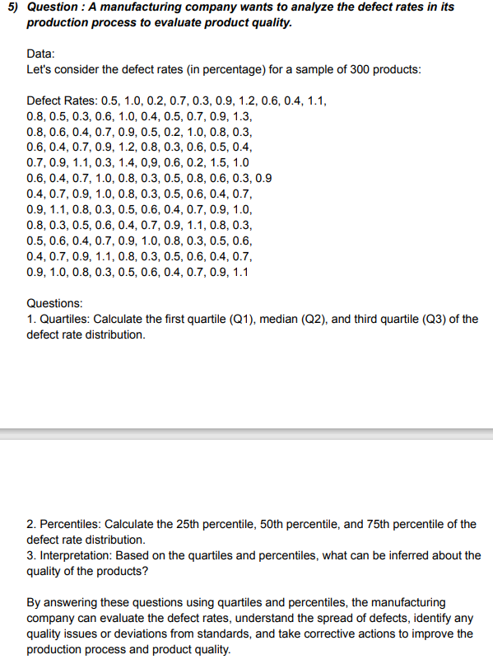
 | Defect Rates
 | 0.2 | Quartiles
 | 0.2
 | 0.2 | Q1 | 0.4
 | 0.3 | Q2 | 0.7
 | 0.3 | Q3 | 0.9
 | 0.3
 | 0.3
 | 0.3 | Percentiles
 | 0.3
 | 0.3 | P15 | 0.4
 | 0.3 | P50 | 0.7
 | 0.3 | P85 | 1
 | 0.3
 | 0.3 | Interpretation
 | 0.3
 | 0.3 | Based on the quartiles less then 25% defect rates 0.4 %, 50% defect rates around 0.7% and 75% defect rates above 0.9% .
 | 0.3
 | 0.4 | Based on the percentiles less then 15% defect rates 0.4 %, 50% defect rates around 0.7% and 85% defect rates above 1% .
 | 0.4
 | 0.4
 | 0.4
 | 0.4
 | 0.4
 | 0.4
 | 0.4
 | 0.4
 | 0.4
 | 0.4
 | 0.4
 | 0.4
 | 0.4
 | 0.5
 | 0.5
 | 0.5
 | 0.5
 | 0.5
 | 0.5
 | 0.5
 | 0.5
 | 0.5
 | 0.5
 | 0.5
 | 0.5
 | 0.5
 | 0.6
 | 0.6
 | 0.6
 | 0.6
 | 0.6
 | 0.6
 | 0.6
 | 0.6
 | 0.6
 | 0.6
 | 0.6
 | 0.6
 | 0.6
 | 0.6
 | 0.6
 | 0.7
 | 0.7
 | 0.7
 | 0.7
 | 0.7
 | 0.7
 | 0.7
 | 0.7
 | 0.7
 | 0.7
 | 0.7
 | 0.7
 | 0.7
 | 0.7
 | 0.8
 | 0.8
 | 0.8
 | 0.8
 | 0.8
 | 0.8
 | 0.8
 | 0.8
 | 0.8
 | 0.8
 | 0.8
 | 0.8
 | 0.8
 | 0.9
 | 0.9
 | 0.9
 | 0.9
 | 0.9
 | 0.9
 | 0.9
 | 0.9
 | 0.9
 | 0.9
 | 0.9
 | 0.9
 | 0.9
 | 0.9
 | 0.9
 | 1
 | 1
 | 1
 | 1
 | 1
 | 1
 | 1
 | 1
 | 1
 | 1.1
 | 1.1
 | 1.1
 | 1.1
 | 1.1
 | 1.1
 | 1.2
 | 1.2
 | 1.3
 | 1.4
 | 1.5

